Introduction
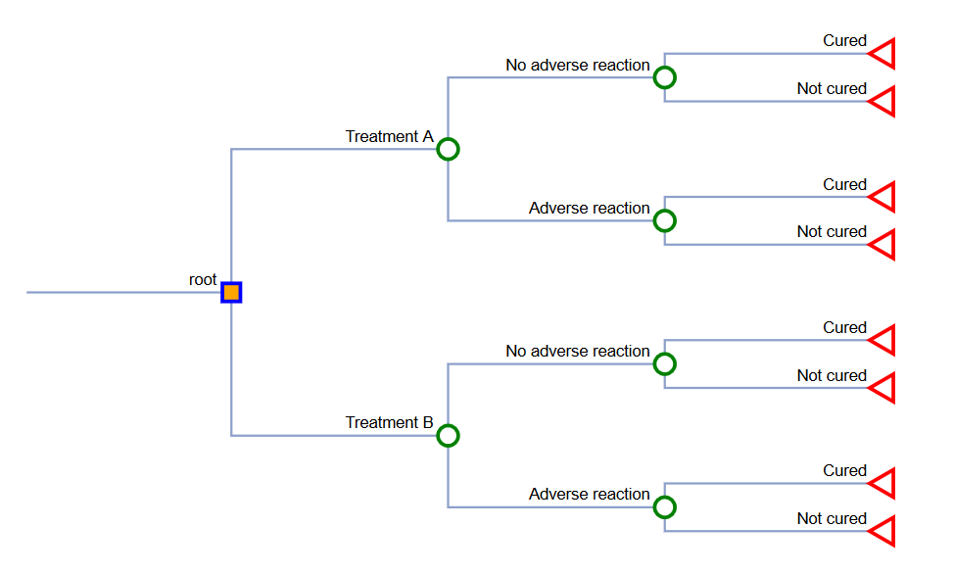
Introduction - Decision Tree Models

Decision tree example
Version 1.1
Build date: 07 May 2024
This decision tree model was constructed using Excel.
You can use this as a template to build you own models.
However, it is recommended that you develop your own models using the methods from these examples.
Decision Tree 1: Compares the Total Costs and Total Life Years of two different treatment strategies.
Note: The values for the model parameters are ficticioius. You will need to generate these for your own models using existing data from the literature or other sources.
Decision trees were built using Tree Builder, a web-based app developed by researchers at the University of Pittsburgh. Files can be downloaded from the following link: https://www.dropbox.com/sh/kgk08jegjxmkt9s/AAATykHuKvZ93YLr3io3JGSPa?dl=0
Alternatively, you can build your decision tree in PowerPoint.
 | Decision Tree 1

Decision Tree 1
Example 1 - Comparing total costs and LYs between two treatment strategies

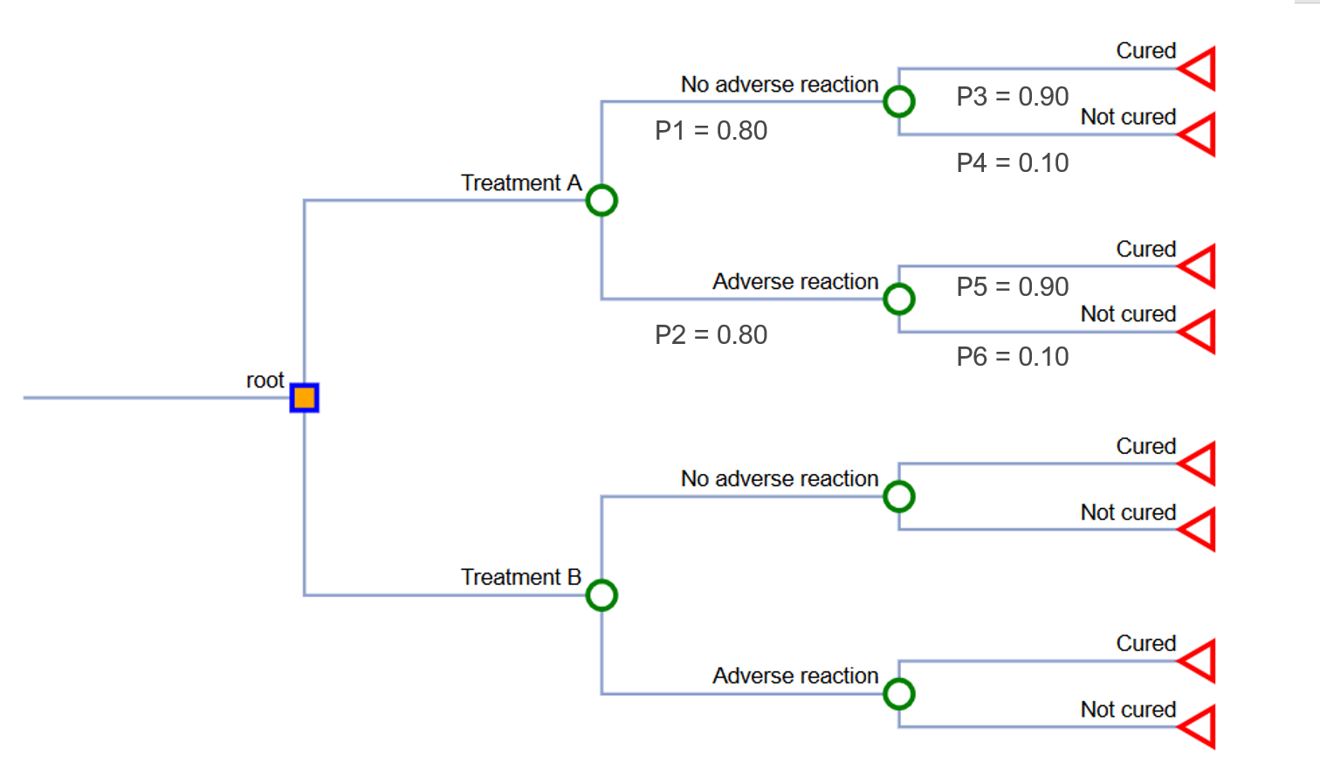
 |  |  |  |  |  |  |  |  |  |  | Cured
 |  |  |  |  |  |  |  |  |  |  | P3 = 0.90 |  | eP1 = 0.72
 |  |  |  |  |  |  |  | No adverse reaction
 |  |  |  |  |  |  |  | P1 = 0.80

 |  |  |  |  |  | Treatment A |  |  |  |  | Not cured
 |  |  |  |  |  |  |  |  |  |  | P4 = 0.10 |  | eP2 = 0.08
 |  |  |  |  |  |  |  |  |  |  | Cured
 |  |  |  |  |  |  |  |  |  |  | P5 = 0.90 |  | eP3 = 0.18
 |  |  |  |  |  |  |  | Adverse research
 |  |  |  |  |  |  |  | P2 = 0.20

 |  |  |  |  |  |  |  |  |  |  | Not cured
 |  |  |  |  |  |  |  |  |  |  | P6 = 0.10 |  | eP4 = 0.02
 |  |  |  |  | Disease
 |  |  |  |  |  |  |  |  |  |  |  |  | eP_total = 1.00

 |  |  |  |  |  |  |  |  |  |  | Cured

 |  |  |  |  |  |  |  | No adverse reaction

 |  |  |  |  |  | Treatment B |  |  |  |  | Not cured

 |  |  |  |  |  |  |  |  |  |  | Cured

 |  |  |  |  |  |  |  | Adverse research

 |  |  |  |  |  |  |  |  |  |  | Not cured

 | Table A. Parameters of a decision model. |  |  |  |  | Table B. Expected costs and probabilities for decision paths
 | Probabilities | Value | Low | High |  | Decision paths | Total costs | Expected probabilities | Expected costs |  | Expected life years
 | Treatment A |  |  |  |  | Treatment A
 | Adverse reaction | 0.2 | 0.15 | 0.25 |  | No adverse reactions -> Cured | $100 | 0.72 | $72.00 |  | 14.4
 | No Adverse reaction | 0.8 | 0.60 | 0.89 |  | No adverse reactions -> Not cured | $250 | 0.08 | $20.00 |  | 0.8
 | Cured | 0.9 | 0.81 | 1.00 |  | Adverse reactions -> Cured | $600 | 0.18 | $108.00 |  | 3.6
 | Not cured | 0.1 | 0.00 | 0.19 |  | Adverse reactions -> Not cured | $750 | 0.02 | $15.00 |  | 0.2
 | Treatment B |  |  |  |  | Treatment B
 | Adverse reaction | 0.3 | 0.225 | 0.375 |  | No adverse reactions -> Cured | $80 | 0.56 | $44.80 |  | 11.2
 | No Adverse reaction | 0.7 | 0.625 | 0.775 |  | No adverse reactions -> Not cured | $230 | 0.14 | $32.20 |  | 1.4
 | Cured | 0.8 | 0.6 | 0.89 |  | Adverse reactions -> Cured | $580 | 0.24 | $139.20 |  | 4.8
 | Not cured | 0.2 | 0.11 | 0.4 |  | Adverse reactions -> Not cured | $730 | 0.06 | $43.80 |  | 0.6
 | Costs | Value | Low | High
 | Treatment A | $100 | $75 | $125
 | Treatment B | $80 | $60 | $100
 | Adverse reaction | $500 | $375 | $625 |  | Table C. Costs, Life years, and Incremental Cost-Effectiveness Ratio.
 | Not cured -- Additional treatment | $150 | $133 | $188 |  | Strategy | Total Costs | Total Life Years | Incremental Costs | Incremental Life Years |  | ICER
 | Life Years | Value | Low | High |  | Treatment A | $215.00 | 19 | ($45.00) |  | 1 | ($45.00)
 | Cured (Years) | 20 | 15 | 25 |  | Treatment B | $260.00 | 18
 | Not cured (Years) | 10 | 5 | 15

2 - Cost-effectiveness plane
Cost-Effectiveness Plane
 | ICER (TxA vs TxB)
1 | ($45.00)

2 - One-way SA
One-way Sensitivity Analysis - Evaluating the impact of probability of cured for Treatment on its total costs

This is an example of a one-way sensitivity analysis (OWSA) that varies the Probability of cured for Treatment A using a range between 0.00 to 1.00. The output that is changing is the Total costs of Treatment A. The Total costs of Treatment B does not change since its total costs are not impacted by the change in the Probability of cured for Treatment A. However, the Incremental Costs are impacted by this since the formula depends on both the Total costs of Treatments A and B (see last column)).

 | Table A. One-way sensitivity analysis of probability of cure for Treatment A.
 | Parameter | X-axis | Y-axis (Total Costs - Tx A) | Y-axis (Total Costs - Tx B) | Y-axis (Incremental costs)
 | Probability of Cure for Treatment A | 0 | $350.00 | $260.00 | $90.00
 |  | 0.1 | $335.00 | $260.00 | $75.00
 |  | 0.2 | $320.00 | $260.00 | $60.00
This is the break-even point.
When the probability of cure for Treatment A is 0.60, the total costs are the same as Treatment B.
 |  | 0.3 | $305.00 | $260.00 | $45.00
 |  | 0.4 | $290.00 | $260.00 | $30.00
 |  | 0.5 | $275.00 | $260.00 | $15.00
 |  | 0.6 | $260.00 | $260.00 | $0.00
 |  | 0.7 | $245.00 | $260.00 | ($15.00)
 |  | 0.8 | $230.00 | $260.00 | ($30.00)
 |  | 0.9 | $215.00 | $260.00 | ($45.00)
 |  | 1 | $200.00 | $260.00 | ($60.00)

One-way sensitivity analysis (Total Costs)

2 - Tornado diagram
Tornado diagram - Comparing model parameters impact on ICER

 | A tutorial on creating tornado diagrams is located at the following blog:
 | https://mbounthavong.com/blog/2018/5/26/communicating-data-effectively-with-data-visualizations-tornado-diagram?rq=tornado

 |  |  |  |  |  |  |  | Legend
 | Table A1. Parameters for a tornando diagram (one-way sensitivity anlyses results). |  |  |  |  |  |  | Low
 | Parameter | Base-case input | Low input | High imput | Low result (ICER) | High result (ICER) | Spread | High
 | Probability of cure for Treatment B | 0.8 | 0.6 | 0.89 | -27 | -315 | 288
 | Probability of cure for Treatment A | 0.9 | 0.81 | 1 | -315 | -30 | 285
 | Probability of adverse reaction for Treatment B | 0.3 | 0.225 | 0.375 | -7.5 | -82.5 | 75
 | Life years gained when cured | 20 | 15 | 25 | -90 | -30 | 60
 | Probability of adverse reaction for Treatment A | 0.2 | 0.15 | 0.25 | -70 | -20 | 50
 | Cost of Treament A | $100 | $75 | $125 | -70 | -20 | 50
 | Cost of Treatment B | $80 | $60 | $100 | -25 | -65 | 40
 | Cost of adverse reaction | $500 | $375 | $625 | -32.5 | -57.5 | 25
 | Life years gained when not cured | 10 | 7.5 | 12.5 | -36 | -60 | 24
 | Cost of additional treatment (uncured) | $150 | $113 | $188 | -41.3 | -48.8 | 7.5

 | Table A2. Parameters for a tornando diagram (one-way sensitivity anlyses results).
 | Parameter | Base-case input | Low input | High imput | Low result (ICER) | High result (ICER) | Spread
 | Probability of adverse reaction for Treatment B | 0.3 | 0.225 | 0.375 | -7.5 | -82.5 | 75
 | Life years gained when cured | 20 | 15 | 25 | -90 | -30 | 60 | Legend
 | Probability of adverse reaction for Treatment A | 0.2 | 0.15 | 0.25 | -70 | -20 | 50 | Low
 | Cost of Treament A | $100 | $75 | $125 | -70 | -20 | 50 | High
 | Cost of Treatment B | $80 | $60 | $100 | -25 | -65 | 40
 | Cost of adverse reaction | $500 | $375 | $625 | -32.5 | -57.5 | 25
 | Life years gained when not cured | 10 | 7.5 | 12.5 | -36 | -60 | 24
 | Cost of additional treatment (uncured) | $150 | $113 | $188 | -41.3 | -48.8 | 7.5

IMPORTANT NOTE # 1
Table A1 inlcudes the probability of cured for Treatments A and B. There is an issue with this since the probabilities impact the Expected Life Years gained. If the probabilities of cured for Treatments A and B are equal to one another, then the ICER is undefined. Hence, the extreme bound for each parameter must be immediately below or above the base-case of the other parameters. For example if the probability of cured for Treatment A is 0.90, then the probability of cured for Treatment B must not exceed 0.90; hence it is 0.89. Preferably, it is better to display these as one-way sensitivity analyses rather than in a tornado diagram.
Table A2 represents the tornado diagram without the probaby of cured for Treatments A and B.

 | Table A3. Parameters for a tornando diagram (one-way sensitivity anlyses results).
 | Parameter | Base-case input | Low input | High imput | Low result (Inc Costs) | High result (Incr Costs) | Spread
 | Probability of adverse reaction for Treatment B | 0.3 | 0.225 | 0.375 | -7.5 | -82.5 | 75
 | Probability of adverse reaction for Treatment A | 0.2 | 0.15 | 0.25 | -70 | -20 | 50
 | Cost of Treament A | $100 | $75 | $125 | -70 | -20 | 50 | Legend
 | Probability of cure for Treatment B | 0.8 | 0.6 | 0.89 | -75 | -31.5 | 43.5 | Low
 | Cost of Treatment B | $80 | $60 | $100 | -25 | -65 | 40 | High
 | Probability of cure for Treatment A | 0.9 | 0.81 | 1 | -31.5 | -60 | 28.5
 | Cost of adverse reaction | $500 | $375 | $625 | -32.5 | -57.5 | 25
 | Cost of additional treatment (uncured) | $150 | $113 | $188 | -41.25 | -48.75 | 7.5
 | Life years gained when cured | 20 | 15 | 25 | -45 | -45 | 0
 | Life years gained when not cured | 10 | 7.5 | 12.5 | -45 | -45 | 0

IMPORTANT NOTE # 2
Alternatively, you can present the tornado plot as Incremental Costs instead of ICERs (Table A3). This will avoid the issue of the ICER where you can have asymptotic values when the denominator is zero. The difference is that we are look to see where the Incrememtal Costs crosses "0"; this is the equilibrium point where the expected costs between Treatments A and B are equal.

